Dashboard
The Optimal Places to Work & Live United States of America (Top 15 States)

Total GDP (in Billions)
Total Population
Average Income
Average Job Growth Rate
Average Migration Rate
$6,263.00
76074121
$44,562
2.33%
0.45%

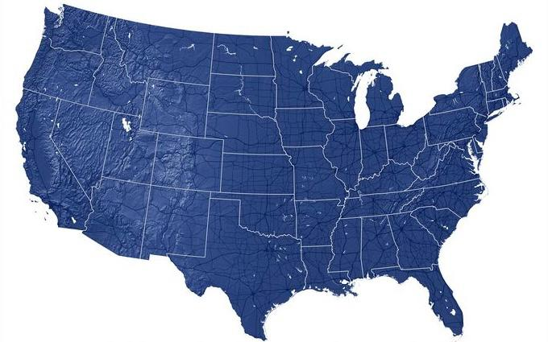
451.0
408.2
317.9
244.3
304.2
 | State | Total GDP (in Billions) | Total Population | Average Income | Average Job Growth Rate | Average Migration Rate
 | Florida | $1,580.00 | 22,610,726.00 | $39,920 | 4.80% | 1.70%
 | Idaho | $119.00 | 1,964,726.00 | $37,395 | 3.10% | 1.80%
230.1
191.7
 | Iowa | $249.00 | 3,207,004.00 | $41,625 | 1.60% | 0.10%
203.2
 | Massachusetts | $734.00 | 7,001,399.00 | $52,528 | 2.20% | -0.10%
270.0
193.9
 | Minnesota | $472.00 | 5,737,915.00 | $47,393 | 1.00% | -0.10%
314.1
401.2
 | Nebraska | $178.00 | 1,978,379.00 | $41,403 | 1.00% | 0.00%
 | New Hampshire | $111.00 | 1,402,054.00 | $49,617 | 1.50% | 0.70%
427.8
 | New Jersey | $799.00 | 9,290,841.00 | $51,884 | 3.20% | -0.10%
 | North Dakota | $74.00 | 783,926.00 | $42,807 | 1.70% | -0.10%
505.6
 | South Dakota | $72.00 | 919,318.00 | $40,978 | 1.90% | 0.90%
 | Utah | $273.00 | 3,417,734.00 | $40,959 | 3.70% | 0.60%
 | Vermont | $43.00 | 647,464.00 | $42,147 | 2.30% | 0.50%
Average Internet Speed (in MBPS)
322.3
 | Virginia | $707.00 | 8,715,698.00 | $48,178 | 3.00% | 0.20%
 | Washington | $802.00 | 7,812,880.00 | $51,640 | 2.70% | 0.20%
 | Wyoming | $50.00 | 584,057.00 | $39,954 | 1.20% | 0.40%
Poverty & Crime Rate
 | Poverty Rate | Crime Rate
Florida | 0.127 | 3.92%
Idaho | 0.107 | 2.47%
Iowa | 0.126 | 2.47%
Massachusetts | 0.104 | 2.42%
Minnesota | 0.096 | 4.53%
Nebraska | 0.112 | 4.15%
New Hampshire | 0.072 | 2.34%
New Jersey | 0.097 | 2.51%
North Dakota | 0.115 | 4.58%
South Dakota | 0.125 | 4.42%
Utah | 0.082 | 5.19%
Vermont | 0.104 | 2.61%
Virginia | 0.106 | 3.12%
Washington | 0.100 | 5.76%
Wyoming | 0.118 | 3.46%
Area (in SQ. MI.)
 | Total
Florida | 71404
Idaho | 83569
Iowa | 56273
Massachusetts | 10554
Minnesota | 86943
Nebraska | 77347
New Hampshire | 9350
New Jersey | 8719
North Dakota | 70699
South Dakota | 77116
Utah | 84898
Vermont | 9615
Virginia | 42775
Washington | 71301
Wyoming | 97810
 | # Rankings | Obesity Rate | Graduation Rate | Air Quality Index | Average Cost of Living Index

State

 | 9 | 0.315 | 44.50% | 38.9 | 109.4

Florida

